Creator's Message
Welcome!
To show appreciation for this
valuable, free resource,
Please subscribe to my
YouTube channel: ExcelObstacleCourse
Please also share my videos so we can continue to
grow the audience and community!

welcome message
WELCOME TO THE Pivot Table OBSTACLE COURSE!
Visit ExcelObstacleCourse channel on Youtube for a complete and detailed walkthrough!
The objective of this game is to test your knowledge and accuracy in regard to Pivot Tables in Excel.
You will find that your Excel Pivot Table skills and speed will greatly increase as you improve your best time through the course.
Note: Make sure you DON'T SAVE the course upon exiting, otherwise you will not have the ability to restart the course fresh.
If you mess up, close out of the spreadsheet and don't save. Reopen the original copy and restart.
Type an "x" in the green box and hit enter to start the timer, perform the vlookup task, then type an "X" in the red box and hit enter to stop the timer.
When you have completed the obstacle on each tab, continue to the next tab (from left to right).
Good Luck!

Important!
Please close all other Excel workbooks you have open before opening the Excel Obstacle Course XTimer.
If you have already opened this sheet before closing all other Excel sheets, please close all Excel workbooks and re-open the Obstacle Course. Doing so ensures correct operation of the timer.

Pivot Table Creation
Obstacle:
Create a Pivot Table in this format using keyboard only
Alt, D, P to bring up Pivot table wizard
RCB, D (x2) to hide then unhide field list (which will put cursor inside the box)
RCB and arrows to add selections to pivot table
Place Date in Rows
Place Dollars Spent in Values
Place Item Bought in Columns
See below for end result
Dates | Dollars Spent | Item bought
2023-01-02 | $8,622.00 | CCCC
2023-01-02 | $1,935.00 | BBBB
2023-01-02 | $8,279.00 | BBBB
2023-01-02 | $6,138.00 | DDDD
2023-01-02 | $1,574.00 | AAAA
2023-01-06 | $1,588.00 | CCCC
2023-01-07 | $4,848.00 | DDDD
2023-01-07 | $8,015.00 | CCCC
2023-01-07 | $6,443.00 | BBBB
2023-01-07 | $7,050.00 | AAAA
2023-01-07 | $5,602.00 | DDDD
2023-01-07 | $7,919.00 | DDDD
2023-01-13 | $8,796.00 | CCCC
2023-01-14 | $5,928.00 | AAAA
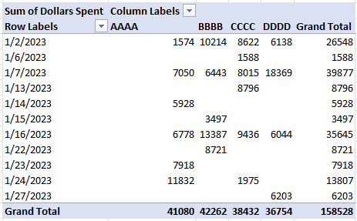
2023-01-15 | $3,497.00 | BBBB
2023-01-16 | $6,778.00 | AAAA
2023-01-16 | $8,521.00 | BBBB
2023-01-16 | $2,329.00 | CCCC
2023-01-16 | $7,107.00 | CCCC
2023-01-16 | $4,866.00 | BBBB
2023-01-16 | $6,044.00 | DDDD
2023-01-22 | $8,721.00 | BBBB
2023-01-23 | $7,918.00 | AAAA
2023-01-24 | $7,769.00 | AAAA
2023-01-24 | $4,063.00 | AAAA
2023-01-24 | $1,975.00 | CCCC
2023-01-27 | $6,203.00 | DDDD

Pivot Table Refresh
Obstacle:
Refresh the pivot table
Hint:
Alt JTFR
End result should look like
this =====>
Dates | Dollars Spent | Item bought
2023-02-02 | $8,622.00 | BBBB
2023-02-02 | $1,574.00 | AAAA | Dates | Item bought | Sum of Dollars Spent
2023-02-02 | $1,588.00 | AAAA | 2023-02-02 | BBBB | 15694
2023-02-02 | $1,935.00 | AAAA | 2023-02-03 | BBBB | 2329
2023-02-02 | $1,975.00 | AAAA | 2023-02-07 | BBBB | 3497
2023-02-03 | $2,329.00 | AAAA | 2023-02-08 | AAAA | 25307
2023-02-07 | $3,497.00 | AAAA | 2023-02-13 | AAAA | 12182
2023-02-08 | $4,063.00 | AAAA | 2023-02-13 | CCCC | 7918
2023-02-08 | $4,848.00 | BBBB | 2023-02-13 | DDDD | 41350
2023-02-08 | $4,866.00 | BBBB | 2023-02-24 | CCCC | 50251
2023-02-08 | $5,602.00 | BBBB
2023-02-08 | $5,928.00 | BBBB
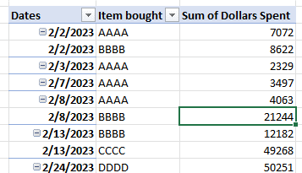
2023-02-13 | $6,044.00 | BBBB
2023-02-13 | $6,138.00 | BBBB
2023-02-13 | $6,203.00 | CCCC
2023-02-13 | $6,443.00 | CCCC
2023-02-13 | $6,778.00 | CCCC
2023-02-13 | $7,050.00 | CCCC
2023-02-13 | $7,107.00 | CCCC
2023-02-13 | $7,769.00 | CCCC
2023-02-13 | $7,918.00 | CCCC
2023-02-24 | $7,919.00 | DDDD
2023-02-24 | $8,015.00 | DDDD
2023-02-24 | $8,279.00 | DDDD
2023-02-24 | $8,521.00 | DDDD
2023-02-24 | $8,721.00 | DDDD
2023-02-24 | $8,796.00 | DDDD

Pivot Table Formatting
Obstacle:
Apply Formatting to the Pivot table
Alt JYPT: make pivot table tabular form
Alt JYPR: apply "repeated rows" to Pivot Table
End result should look like this =====>
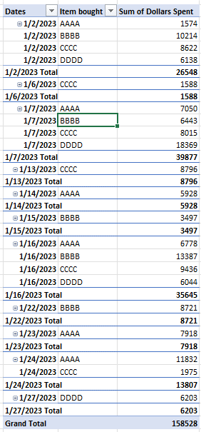
Dates | Dollars Spent | Item bought
2023-01-02 | $8,622.00 | CCCC
2023-01-02 | $1,935.00 | BBBB | Row Labels | Sum of Dollars Spent
2023-01-02 | $8,279.00 | BBBB | 2023-01-02 | 26548
2023-01-02 | $6,138.00 | DDDD | AAAA | 1574
2023-01-02 | $1,574.00 | AAAA | BBBB | 10214
2023-01-06 | $1,588.00 | CCCC | CCCC | 8622
2023-01-07 | $4,848.00 | DDDD | DDDD | 6138
2023-01-07 | $8,015.00 | CCCC | 2023-01-06 | 1588
2023-01-07 | $6,443.00 | BBBB | CCCC | 1588
2023-01-07 | $7,050.00 | AAAA | 2023-01-07 | 39877
2023-01-07 | $5,602.00 | DDDD | AAAA | 7050
2023-01-07 | $7,919.00 | DDDD | BBBB | 6443
2023-01-13 | $8,796.00 | CCCC | CCCC | 8015
2023-01-14 | $5,928.00 | AAAA | DDDD | 18369
2023-01-15 | $3,497.00 | BBBB | 2023-01-13 | 8796
2023-01-16 | $6,778.00 | AAAA | CCCC | 8796
2023-01-16 | $8,521.00 | BBBB | 2023-01-14 | 5928
2023-01-16 | $2,329.00 | CCCC | AAAA | 5928
2023-01-16 | $7,107.00 | CCCC | 2023-01-15 | 3497
2023-01-16 | $4,866.00 | BBBB | BBBB | 3497
2023-01-16 | $6,044.00 | DDDD | 2023-01-16 | 35645
2023-01-22 | $8,721.00 | BBBB | AAAA | 6778
2023-01-23 | $7,918.00 | AAAA | BBBB | 13387
2023-01-24 | $7,769.00 | AAAA | CCCC | 9436
2023-01-24 | $4,063.00 | AAAA | DDDD | 6044
2023-01-24 | $1,975.00 | CCCC | 2023-01-22 | 8721
2023-01-27 | $6,203.00 | DDDD | BBBB | 8721
 |  |  | 2023-01-23 | 7918
 |  |  | AAAA | 7918
 |  |  | 2023-01-24 | 13807
 |  |  | AAAA | 11832
 |  |  | CCCC | 1975
 |  |  | 2023-01-27 | 6203
 |  |  | DDDD | 6203
 |  |  | Grand Total | 158528

Pivot Table Analyze
Obstacle:
Apply following to pivot table
Apply the following to the Pivot Table
Alt JYPT: Format in Tabular Form
Alt JYTD: Remove Subtotals
Alt JYBI: Add blanks between Dates
End result should look like this =====>
Dates | Dollars Spent | Item bought
2023-01-02 | $8,622.00 | CCCC
2023-01-02 | $1,935.00 | BBBB | Row Labels | Sum of Dollars Spent
2023-01-02 | $8,279.00 | BBBB | 2023-01-02
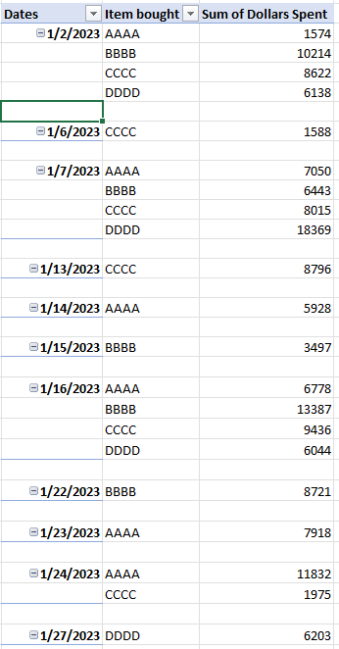
2023-01-02 | $6,138.00 | DDDD | AAAA | 1574
2023-01-02 | $1,574.00 | AAAA | BBBB | 10214
2023-01-06 | $1,588.00 | CCCC | CCCC | 8622
2023-01-07 | $4,848.00 | DDDD | DDDD | 6138
2023-01-07 | $8,015.00 | CCCC | 1/2/2023 Total | 26548
2023-01-07 | $6,443.00 | BBBB | 2023-01-06
2023-01-07 | $7,050.00 | AAAA | CCCC | 1588
2023-01-07 | $5,602.00 | DDDD | 1/6/2023 Total | 1588
2023-01-07 | $7,919.00 | DDDD | 2023-01-07
2023-01-13 | $8,796.00 | CCCC | AAAA | 7050
2023-01-14 | $5,928.00 | AAAA | BBBB | 6443
2023-01-15 | $3,497.00 | BBBB | CCCC | 8015
2023-01-16 | $6,778.00 | AAAA | DDDD | 18369
2023-01-16 | $8,521.00 | BBBB | 1/7/2023 Total | 39877
2023-01-16 | $2,329.00 | CCCC | 2023-01-13
2023-01-16 | $7,107.00 | CCCC | CCCC | 8796
2023-01-16 | $4,866.00 | BBBB | 1/13/2023 Total | 8796
2023-01-16 | $6,044.00 | DDDD | 2023-01-14
2023-01-22 | $8,721.00 | BBBB | AAAA | 5928
2023-01-23 | $7,918.00 | AAAA | 1/14/2023 Total | 5928
2023-01-24 | $7,769.00 | AAAA | 2023-01-15
2023-01-24 | $4,063.00 | AAAA | BBBB | 3497
2023-01-24 | $1,975.00 | CCCC | 1/15/2023 Total | 3497
2023-01-27 | $6,203.00 | DDDD | 2023-01-16
 |  |  | AAAA | 6778
 |  |  | BBBB | 13387
 |  |  | CCCC | 9436
 |  |  | DDDD | 6044
 |  |  | 1/16/2023 Total | 35645
 |  |  | 2023-01-22
 |  |  | BBBB | 8721
 |  |  | 1/22/2023 Total | 8721
 |  |  | 2023-01-23
 |  |  | AAAA | 7918
 |  |  | 1/23/2023 Total | 7918
 |  |  | 2023-01-24
 |  |  | AAAA | 11832
 |  |  | CCCC | 1975
 |  |  | 1/24/2023 Total | 13807
 |  |  | 2023-01-27
 |  |  | DDDD | 6203
 |  |  | 1/27/2023 Total | 6203

Pivot Table Collapse & Expand
Obstacle: Apply the following to the Pivot Table
Alt JTP: Collapse all
Alt JTX: Expand all
End result should look like
this =====>
Collapse |  |  | Expand
Dates | Item bought | Sum of Dollars Spent | Dates | Item bought | Sum of Dollars Spent
2023-01-02 | AAAA | 1574 | 2023-01-02 |  | 26548
2023-01-02 | BBBB | 10214 | 2023-01-06 |  | 1588
2023-01-02 | CCCC | 8622 | 2023-01-07 |  | 39877
2023-01-02 | DDDD | 6138 | 2023-01-13 |  | 8796
2023-01-06 | CCCC | 1588 | 2023-01-14 |  | 5928
2023-01-07 | AAAA | 7050 | 2023-01-15 |  | 3497
2023-01-07 | BBBB | 6443 | 2023-01-16 |  | 35645
2023-01-07 | CCCC | 8015 | 2023-01-22 |  | 8721
2023-01-07 | DDDD | 18369 | 2023-01-23 |  | 7918
2023-01-13 | CCCC | 8796 | 2023-01-24 |  | 13807
2023-01-14 | AAAA | 5928 | 2023-01-27 |  | 6203
2023-01-15 | BBBB | 3497
2023-01-16 | AAAA | 6778
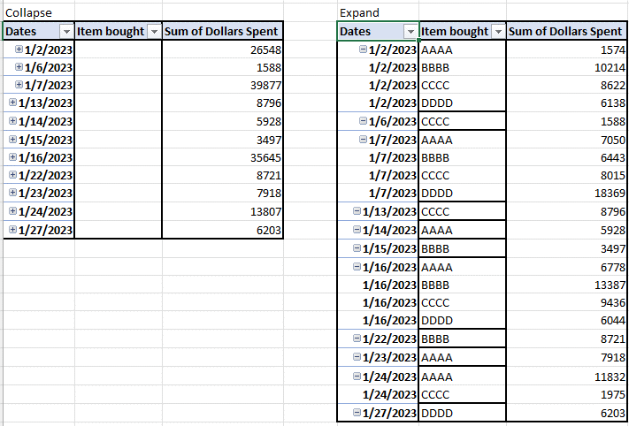
2023-01-16 | BBBB | 13387
2023-01-16 | CCCC | 9436
2023-01-16 | DDDD | 6044
2023-01-22 | BBBB | 8721
2023-01-23 | AAAA | 7918
2023-01-24 | AAAA | 11832
2023-01-24 | CCCC | 1975
2023-01-27 | DDDD | 6203

Dates | Dollars Spent | Item bought
2023-01-02 | $8,622.00 | CCCC
2023-01-02 | $1,935.00 | BBBB
2023-01-02 | $8,279.00 | BBBB
2023-01-02 | $6,138.00 | DDDD
2023-01-02 | $1,574.00 | AAAA
2023-01-06 | $1,588.00 | CCCC
2023-01-07 | $4,848.00 | DDDD
2023-01-07 | $8,015.00 | CCCC
2023-01-07 | $6,443.00 | BBBB
2023-01-07 | $7,050.00 | AAAA
2023-01-07 | $5,602.00 | DDDD
2023-01-07 | $7,919.00 | DDDD
2023-01-13 | $8,796.00 | CCCC
2023-01-14 | $5,928.00 | AAAA
2023-01-15 | $3,497.00 | BBBB
2023-01-16 | $6,778.00 | AAAA
2023-01-16 | $8,521.00 | BBBB
2023-01-16 | $2,329.00 | CCCC
2023-01-16 | $7,107.00 | CCCC
2023-01-16 | $4,866.00 | BBBB
2023-01-16 | $6,044.00 | DDDD
2023-01-22 | $8,721.00 | BBBB
2023-01-23 | $7,918.00 | AAAA
2023-01-24 | $7,769.00 | AAAA
2023-01-24 | $4,063.00 | AAAA
2023-01-24 | $1,975.00 | CCCC
2023-01-27 | $6,203.00 | DDDD

FINAL
Go back to Main Page using (CTRL and Pg Up) and stop the timer!

NOTE: you must hold down CTRL and continue to tap Pg Up until you arrive at the Main Page

